Info
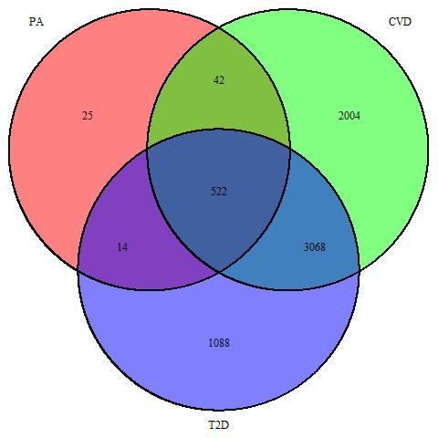
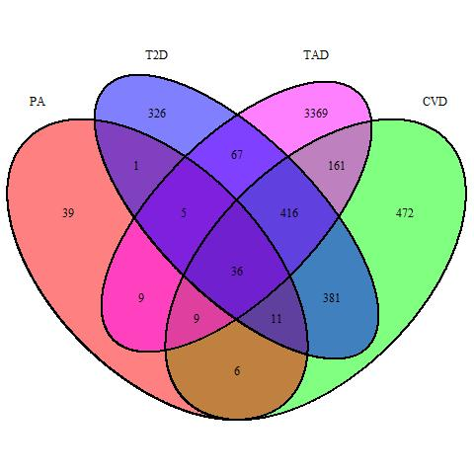


Drugs < 0.05 P_value

+ Target Associated Drugs (TAD) =

(13 Tragets)

ALL Drugs

